bug-reports for calc.exe
ID | Summary | Description | Steps to reproduce | Severity | Priority | Attachment | Status
1 | The digit "2" is highlighted and differs from other | The digit "2" in the menu bar of app calculator is highlied and stand out from digits. It does not match the GUI. Enviroment: Win 7 Requirements ID: 3 Actual result: Highlited digit 2 Expected result: Regular digit 2 *Additional information: | 1 Download the app via the link https://www.dropbox.com/sh/wsps9gtgtc0dyvh/AAC8bUpyPkZ8rBIuitiKoE8aa?dl=0 2. Open the app | Minor | Normal | https://monosnap.com/file/7kHsYiRSAmkmUeQlSA9mWJqMOZdxxY | Submitted
2 | Spelling mistake in the name of the button "О программе" | The signature of the button "О программе" is written with small letter and together. It does not match the GUI. Enviroment: Win 7 Requirements ID: 3 Actual result: "опрограмме" Expected result: "О программе" *Additional information: | 1 Download the app via the link https://www.dropbox.com/sh/wsps9gtgtc0dyvh/AAC8bUpyPkZ8rBIuitiKoE8aa?dl=0 2. Open the app | Minor | Normal | https://monosnap.com/file/7kHsYiRSAmkmUeQlSA9mWJqMOZdxxY | Submitted
3 | The button with digit "9" is not clickable | The digit "9" is not displayed on the screen and the button "9" is not clickable. Enviroment: Win 7 Requirements ID: 3 Actual result: The digit "9" is not displayed after click the button. Expected result: The digit "9" is displayed after click the button "9" *Additional information: Workaround: Type 9 | 1 Download the app via the link https://www.dropbox.com/sh/wsps9gtgtc0dyvh/AAC8bUpyPkZ8rBIuitiKoE8aa?dl=0 2. Open the app 3. Type the button with digit "9" 4. Verify "9" | Medium | High |  | Submitted
4 | Zeroing after click the butter "+" | The button "+" does not add numbers and zeroing input digits on the screen after click. Enviroment: Win 7 Requirements ID: 3.21 Actual result: Zeroing after click "+" Expected result: "1+ " *Additional information: the same issue for -"-, /,*" | 1 Download the app via the link https://www.dropbox.com/sh/wsps9gtgtc0dyvh/AAC8bUpyPkZ8rBIuitiKoE8aa?dl=0 2. Open the app 3. Click the button "1" 4. Click the button "+" | Critical | High |  | Submitted
5 | Absent the brackets in negative digits after click "+/-" in simple mode. | The button "+/-" does not put in brackets the input digits on the screen after click. Requirements ID: 4.15 Actual result: -400 Expected result: (-400) *Additional information: | 1 Download the app via the link https://www.dropbox.com/sh/wsps9gtgtc0dyvh/AAC8bUpyPkZ8rBIuitiKoE8aa?dl=0 2. Open the app 3. Click the button "400" 4. Click the button "+/-" | Medium | High |  | Submitted
6 | Absent the buttons of Squaring and Square root extraction after switching to Инженерный mode | Squaring and Square root extraction do not appear after switching to Инженерный mode GUI Enviroment: Win 7 Requirements ID: 3.4. Actual result: The same bar menu in Инженерный mode as in Простой mode Expected result: extra button in Инженерный mode: Squaring and Square root extraction *Additional information: | 1 Download the app via the link https://www.dropbox.com/sh/wsps9gtgtc0dyvh/AAC8bUpyPkZ8rBIuitiKoE8aa?dl=0 2. Open the app 4. Click the button "Выбор" 5. Click the button "Инженерный" | Critical | High | https://monosnap.com/file/dyZnalvTojbRI33QWBtk4Zy0MEm94J | Submitted
7 | Extra comma near the digit "0" | The button 0 with comma. It does not match GUI. Enviroment: Win 7 Requirements ID: 3. Actual result: "0." is displayed Expected result: "0" is displayed *Additional information: | 1 Download the app via the link https://www.dropbox.com/sh/wsps9gtgtc0dyvh/AAC8bUpyPkZ8rBIuitiKoE8aa?dl=0 2. Open the app | Minor | Low | https://monosnap.com/file/7kHsYiRSAmkmUeQlSA9mWJqMOZdxxY | Submitted
8 | Red panel when choosing mode | The figure panel become red when chosen any mode Enviroment: Win 7 Requirements ID: 3. Actual result: red panel Expected result: Casual panel *Additional information: | 1 Download the app via the link https://www.dropbox.com/sh/wsps9gtgtc0dyvh/AAC8bUpyPkZ8rBIuitiKoE8aa?dl=0 2. Open the app 3. Choose the mode | Minor | Low |  | Submitted
9 | Full screen button is disable | The digit "Full scren button" does not make maximize size of app and the button is not clickable. Enviroment: Win 7 Requirements ID: 3 Actual result: The digit "Full scren button" is not disable Expected result: Full screen size of app *Additional information: | 1 Download the app via the link https://www.dropbox.com/sh/wsps9gtgtc0dyvh/AAC8bUpyPkZ8rBIuitiKoE8aa?dl=0 2. Open the app 3. Click the button Full screen mode | Minor | Low |  | Submitted
10 | The window of app is 240*194 instead of 800*600 | The size of app is 240*194 instead od 800*600 Enviroment: Win 7 Requirements ID: 3 Actual result: 240*194 Expected result: 800*600*Additional information: | 1 Download the app via the link https://www.dropbox.com/sh/wsps9gtgtc0dyvh/AAC8bUpyPkZ8rBIuitiKoE8aa?dl=0 2. Open the app 3. Verify the size | Minor | Low |  | Submitted
11 | Absent "0" on the display when open the app | Display does not show "0" after openning the app Enviroment: Win 7 Requirements ID: 3 Actual result: Nothing on the display Expected result: "0" is displayed when aopen the app | 1 Download the app via the link https://www.dropbox.com/sh/wsps9gtgtc0dyvh/AAC8bUpyPkZ8rBIuitiKoE8aa?dl=0 2. Open the app | Minor | Low |  | Submitted
12 | Crash of app if seven symbol "1" | The button "1" crash the app after error messege when "1" follows 7 on account. Enviroment: Win 7 Requirements ID: Actual result: Crash the app Expected result: "1234561" is displayed when aopen the app Workaround: Type "1" on 7 position | 1 Download the app via the link https://www.dropbox.com/sh/wsps9gtgtc0dyvh/AAC8bUpyPkZ8rBIuitiKoE8aa?dl=0 2. Open the app 3. Click "1234561" | Minor | Low |  | Submitted
13 | Crash of app after error message when click on empty space near the numeric panel | The calc closed after the errow message when the user click the free space near numeric panel Enviroment: Win 7 Requirements ID: Actual result: Crash the app Expected result: Nothin to change Workaround: Type "1" on 7 position | 1 Download the app via the link https://www.dropbox.com/sh/wsps9gtgtc0dyvh/AAC8bUpyPkZ8rBIuitiKoE8aa?dl=0 2. Open the app 3. Click the free space near numeric panel | Minor | Low |  | Submitted
14 | input integers on the display more than 20 symbols | It is possible to input more 20 symbols Enviroment: Win 7 Requirements ID: 4.8. Actual result: 99999999999999999999999999999 Expected result: 99999999999999999999 - no more than 20 | 1 Download the app via the link https://www.dropbox.com/sh/wsps9gtgtc0dyvh/AAC8bUpyPkZ8rBIuitiKoE8aa?dl=0 2. Open the app 3. Click 99999999999999999999 | Minor | Low |  | Submitted
15 | input Letters on the display is available | The user can input letters Enviroment: Win 7 Requirements ID: 4.11. Actual result: Привет Expected result: Ignoring letters | 1 Download the app via the link https://www.dropbox.com/sh/wsps9gtgtc0dyvh/AAC8bUpyPkZ8rBIuitiKoE8aa?dl=0 2. Open the app 3. Type ПРИВЕТ | Minor | Low | 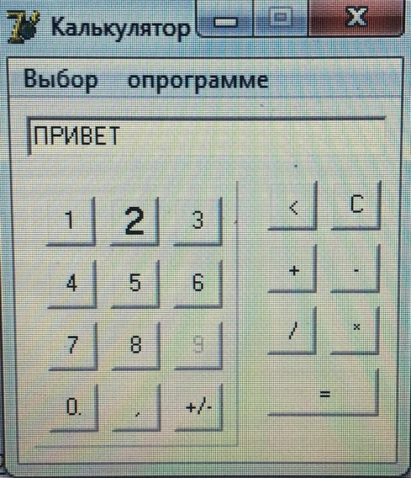 | Submitted

